Proper Data Set
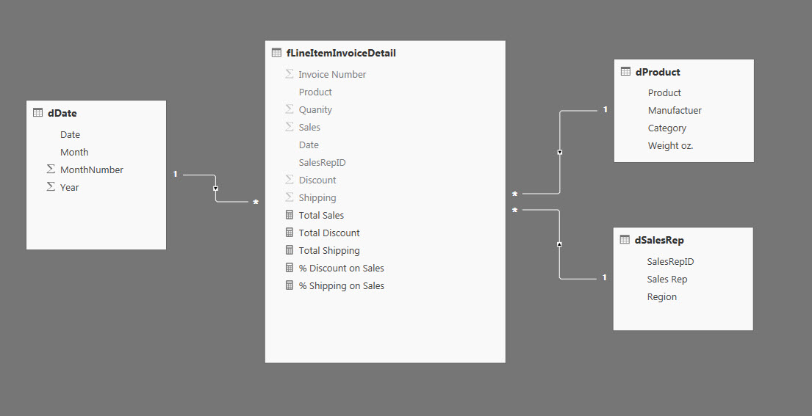
Proper Data Set = Data Table with Field Names in first row and Records in subsequent rows.
In Excel you must have empty cells or Column/Row headers around the Proper Data Set in order for the Excel & Power Tools to work.
Field Names / Column Names / Header Names =
Fields define what type of data goes into the column
Naming = Name all tables, fields and other items: 1) smartly and 2) consistently

Fields = Column = Headers
in first row
Example 1: Proper Data Set in Excel. |  |  |  |  | Data Type =
 |  |  |  |  | What type of data is it? Date, Number, Text and so on?
Date | Units | SalesRepKey | ProductKey | Sales | Traditionally, in Excel we do not have Data Types.
10/20/17 | 44 | 1 | 4 | $620.95 | Power Tools will have to define Data Types if we want our analysis to work correctly.
10/20/17 | 37 | 1 | 3 | $484.31 | Most of the time we will define Data Types using Power Query.
Records in each row
10/20/17 | 38 | 2 | 5 | $376.69
Records in each row
10/20/17 | 82 | 2 | 1 | $1,141.96
10/20/17 | 56 | 3 | 2 | $725.45 | Example 2: Proper Data Set in a Text File.
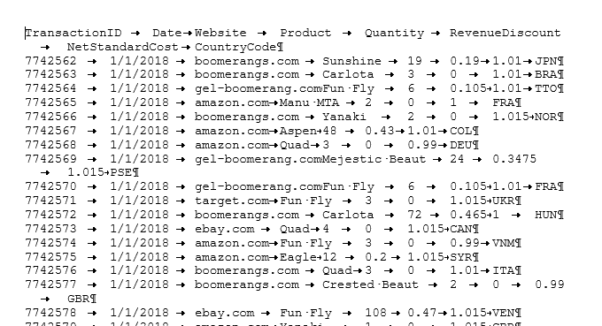
10/20/17 | 25 | 3 | 2 | $222.67
10/20/17 | 130 | 4 | 3 | $1,038.10
10/21/17 | 10 | 3 | 1 | $154.41
10/24/17 | 82 | 5 | 5 | $1,236.00
10/24/17 | 53 | 3 | 4 | $684.48
10/24/17 | 12 | 5 | 6 | $127.10
10/24/17 | 22 | 4 | 5 | $269.52
In Excel, empty cells or row/column headers all around data set
10/25/17 | 82 | 3 | 7 | $739.69
10/25/17 | 172 | 1 | 7 | $1,201.01
10/25/17 | 78 | 4 | 6 | $546.06
10/25/17 | 12 | 3 | 1 | $162.45

Example 3: Proper Data Sets and Smart and Consistent Naming in a Data Model:

R
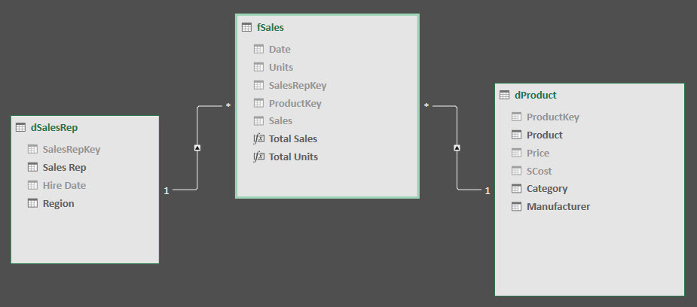
Relationships
Connects tables so we can build solutions based on fields from multiple tables.
Relationships between tables allows us to:
1) Use Criteria from Dimension tables to filter Fact Table Calculations (Measures)
* The Arrow Direction on the Relationship Arrow indicates the direction of the filter (From Dimension to Fact Table).
* What makes the filtering of a Fact Table so efficient, is that a Measure (Formula) will then have to make its calculation over fewer rows.
Compared to Array Formulas in Excel which must calculate over entire unfiltered column which can result in very slow calculation time.
2) Lookup values
** For Excel people, it helps avoid VLOOKUP driven solutions that may have many spreadsheet formulas that slows down query time (change criteria on report)

Types of Relationships:
One-To-Many
Many-To-Many
One-To-One

